Figure 2_1 Household Thresholds
Mexico
numadult | numkids | rural | h_hpthresh |  | 1 adult | 2 adults | 3+ adults | Figure 2‑1 Threshold hours of household production (weekly hours per household), Mexico
1 | 0 | 0 | 32.85 | No children | 33 | 54 | 85
1 | 1 | 0 | 47.612 | 1 child | 48 | 79 | 103
1 | 2 | 0 | 57.526 | 2 children | 58 | 90 | 116 | A. Urban
1 | 3 | 0 | 82.125 | 3+ children | 82 | 101 | 157
2 | 0 | 0 | 53.725
2 | 1 | 0 | 78.511
2 | 2 | 0 | 89.8
2 | 3 | 0 | 100.804
3 | 0 | 0 | 85.092
3 | 1 | 0 | 102.889
3 | 2 | 0 | 116.227
3 | 3 | 0 | 157.481
1 | 0 | 1 | 41.499
1 | 1 | 1 | 48.336
1 | 2 | 1 | 64.063
1 | 3 | 1 | 87.787
2 | 0 | 1 | 60.384
2 | 1 | 1 | 86.091
2 | 2 | 1 | 92.751
2 | 3 | 1 | 108.794 |  | 1 adult | 2 adults | 3+ adults | B. Rural
3 | 0 | 1 | 86.866 | No children | 41 | 60 | 87
3 | 1 | 1 | 117.786 | 1 child | 48 | 86 | 118
3 | 2 | 1 | 133.775 | 2 children | 64 | 93 | 134
3 | 3 | 1 | 166.412 | 3+ children | 88 | 109 | 166

Figure 2_2 Household Thresholds
Argentina
numadult | numkids | h_hpthresh |  | 1 adult | 2 adults | 3+ adults | Figure 2‑2 Threshold hours of household production (weekly hours per household),
1 | 0 | 17.888 | No children | 18 | 40 | 95 | Argentina and Chile
1 | 1 | 45.037 | 1 child | 45 | 63 | 118
1 | 2 | 64.372 | 2 children | 64 | 83 | 137 | A. Argentina
1 | 3 | 75.637 | 3+ children | 76 | 94 | 148
2 | 0 | 39.859
2 | 1 | 63.171
2 | 2 | 82.506
2 | 3 | 93.771
3 | 0 | 94.51
3 | 1 | 117.822
3 | 2 | 137.157
3 | 3 | 148.422

Chile
numadult | numkids | h_hpthresh
1 | 0 | 26.436 |  | 1 adult | 2 adults | 3+ adults | B. Chile
1 | 1 | 47.296 | No children | 26 | 36 | 67
1 | 2 | 67.254 | 1 child | 47 | 56 | 87
1 | 3 | 74.359 | 2 children | 67 | 76 | 98
2 | 0 | 35.602 | 3+ children | 74 | 84 | 105
2 | 1 | 56.462
2 | 2 | 76.42
2 | 3 | 83.525
3 | 0 | 66.621
3 | 1 | 86.699
3 | 2 | 98.179
3 | 3 | 105.284

Figure 2_3 Person Share by Sex
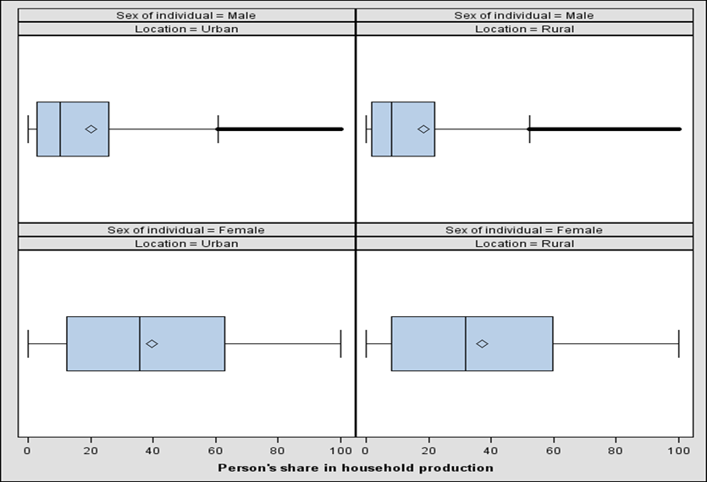
Figure 2‑3 Person’s share in the total hours of household production (percent), persons 18 to 74 years

A. Argentina and Chile
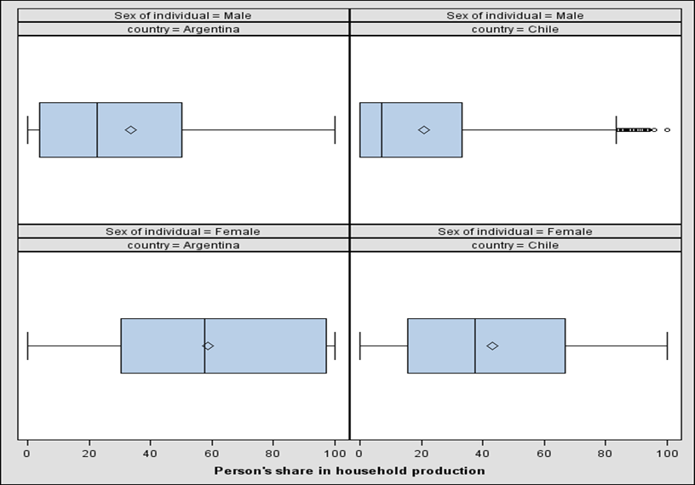

B. Mexico (urban and rural)

